Booking
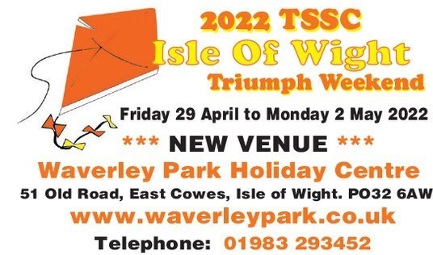

 |  |  |  | ENTERTAINMENT TICKET

 |  |  |  | ORDER FORM

Entertainment ticket includes weekend itinerary, routes, reduced rate to Island attraction, evening entertainment, BBQ, free entry to prize draw, goody bag on check-in and much more.

Personal Details

Lead Name

Address

Post Code |  |  | Mobile Number

Email

Static Caravan No: | Camping: |  |  | Off Site:

Names of additional attendees |  |  |  | Email address

Vehicle Details

Number of Vehicles |  | (Maximum of 4 cars per form)

Vehicle Type |  | Model |  |  |  | Registration Number

Vehicle Type |  | Model |  |  |  | Registration Number

Vehicle Type |  | Model |  |  |  | Registration Number

Vehicle Type |  | Model |  |  |  | Registration Number

Arrival date |  |  |  |  | Departure Date

Booking Details

Adults (with Rally Plaque) |  |  |  | £13.00 | per person |  | Total |  | £0.00

Adults (without Rally Plaque) |  |  |  | £10.00 | per person |  | Total |  | £0.00

Persons under 19 years |  |  |  | Free | per person |  | Total |  | £0.00
(without Rally Plaque)

Number of additional rally plaques |  |  |  | £5.00 | each |  | Total |  | £0.00
Rally Plaques will be sent out prior to the event, where possible.

Total no. of people booking |  |  |  |  |  |  | Amount to pay |  | £0.00

Bank Transfer: HSBC, Account number 01789058 Sort Code 40-34-26 quoting lead surname as a reference
Please email booking form to tssciow@hotmail.com
If you have any queries, please call Tracy on 07754 751672 or Elaine on 07842 249591

Accommodation and Travel Details

Any queries relating to accommodation or ferry bookings please contact the Waverley Park Holiday Centre direct by emailing them at holidays@waverley-park.co.uk or by telephone on 01983 293452 quoting TSSC IOW.

Office use
Date Received: |  | Payment Received: |  |  |  |  |  |  | Rally Plaque:
Booking Number: |  | Payment Type: |  | BACS/CASH |  |  |  | Goody Bag:

